Project3408
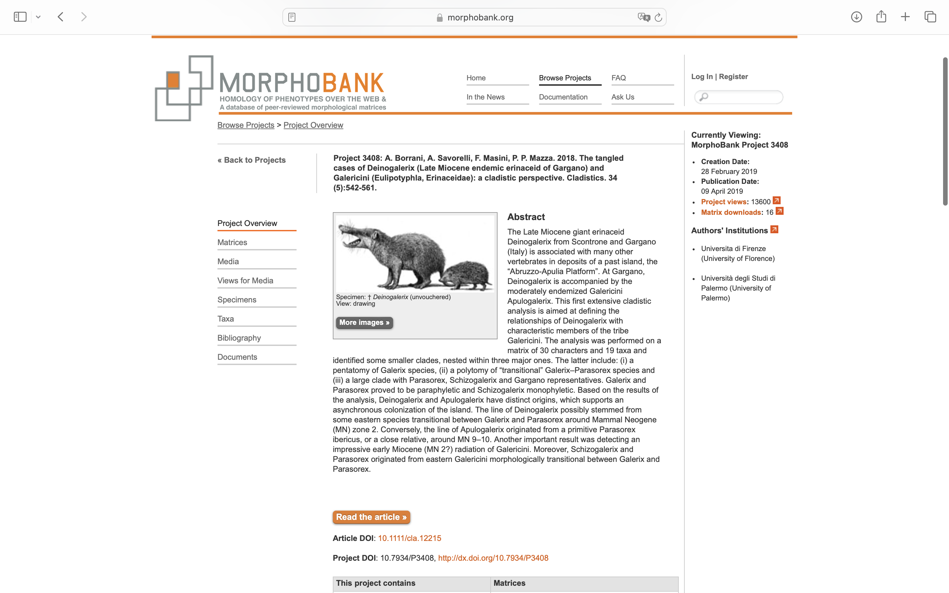
Charlabels | Character Pattern | Unseen States
[1] 'P3 hypocone' | Neomorphic | NO
[2] 'M1-2 development of the metaconule distal arm' | NT?;0=0-;1=11;2=12
[3] 'M1-2 mesostyle' | Neomorphic | NO
[4] 'M1-2 relative widening' | Neomorphic | NO
[5] 'M1 protocone-hypocone-metaconule connection' | Transformational | YES
[6] 'M1 hypocone distal arm' | NT2;0=0-;1=11;2=12
[7] 'M1 distolabial-mesolingual stretch' | Neomorphic | NO
[8] 'M2 protocone-hypocone-metaconule-connection' | Transformational | YES
[9] 'M2 hypocone distal arm' | NT2;0=0-;1=11;2=12
[10] 'M3 shape' | Transformational | YES
[11] 'M3 size' | Transformational | YES
[12] 'i3' | Neomorphic | NO
[13] 'Relative size of p2/p3' | Transformational | NO
[14] 'Number of roots in p2' | Transformational | YES
[15] 'Paraconid-protoconid connection in p4' | Transformational | NO
[16] 'Precingulid in p4' | Neomorphic | NO
[17] 'Development of metaconid in p4' | NT?;0=11;1=12;2=0-
[18] 'Hypoconulid in m3' | Neomorphic | NO
[19] 'Position of the mental foramen' | Transformational | YES
[20] 'Relative size of m1 trigonid' | Transformational | NO
[21] 'Relative size of P3-4' | Transformational | NO
[22] 'Relative size of p3-4' | Transformational | NO
[23] 'Morphology of P3/p3 and P4/p4' | Transformational | YES
[24] 'Cuspids of p4' | Transformational | YES
[25] 'Morphology of metastylid in m1' | Transformational | YES
[26] 'Preprotocristid in p4' | Transformational | YES
[27] 'Crown of i1' | Transformational | NO
[28] 'Coronoid process' | Transformational | YES
[29] 'Height of condyle above toothrow' | Transformational | YES
[30] 'Height of ascending ramus' | Transformational | YES

